Halloween socks
Photo | ean number | article-No. | product | license | size | quality | packaging | Qty
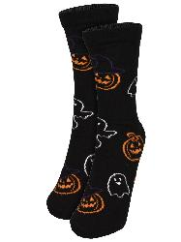 | 4025055491548 | 0135453 | Woman socks 1er pack | Halloween | 35/38 | cotton / polyester / elasthane | 250 | 2351
 | 4025055491555 | 0135454 | Woman socks 1er pack | Halloween | 39/42 | cotton / polyester / elasthane | 250 | 3975
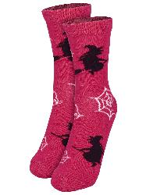 | 4025055491562 | 0135455 | Woman socks 1er pack | Halloween | 35/38 | cotton / polyester / elasthane | 250 | 3662
 | 4025055491579 | 0135456 | Woman socks 1er pack | Halloween | 39/42 | cotton / polyester / elasthane | 250 | 4132
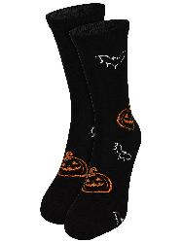 | 4025055491586 | 0135457 | Man Socks 1er pack | Halloween | 39/42 | cotton / polyester / elasthane | 250 | 1723
 | 4025055491593 | 0135458 | Man Socks 1er pack | Halloween | 43/46 | cotton / polyester / elasthane | 250 | 7441

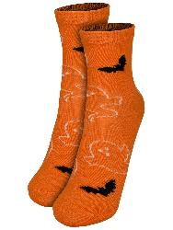 | 4025055491500 | 0135449 | Kids socks 1er pack | Halloween | 27/30 | cotton / polyester / elasthane | 350 | 9422
 | 4025055491517 | 0135450 | Kids socks 1er pack | Halloween | 31/34 | cotton / polyester / elasthane | 350 | 10115
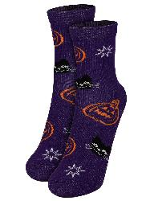 | 4025055491524 | 0135451 | Kids socks 1er pack | Halloween | 27/30 | cotton / polyester / elasthane | 400 | 10565
 | 4025055491531 | 0135452 | Kids socks 1er pack | Halloween | 31/34 | cotton / polyester / elasthane | 350 | 10562
 |  |  |  |  |  |  |  | 63948

